Workwear
Component | Sample URLs of Component | Component ID | Component Class | Fields | Image | Notes
Header | https://www.cws.com/en/healthcare https://www.cws.com/en/workwear | <div class="header-menu-wrapper"> | header-menu-wrapper | Logo: Image; Language Drawer: Component; TopNavigationItems: Multilist; MenuNavigation: Children Name: Single-Line Text; Link: General Link;
Footer | https://www.cws.com/en/healthcare https://www.cws.com/en/workwear | <div class="solution-area-footer"> | solution-area-footer | Contact Section: Contact Number : Single-Line Text; Email: Single-Line Text; Working hours: Single-Line Text; Social Links: MultiList [ { Link: General Link; Icon: Image } ]; Children: LinkList from Foundation [ { Link: General Link } ] Children: [ { Link: General Link } ] Press Contact Section: Names: Multi-Line Text; Email: Single-Line Text; PR Section: Names: Multi-Line Text; Email: Single-Line Text; | 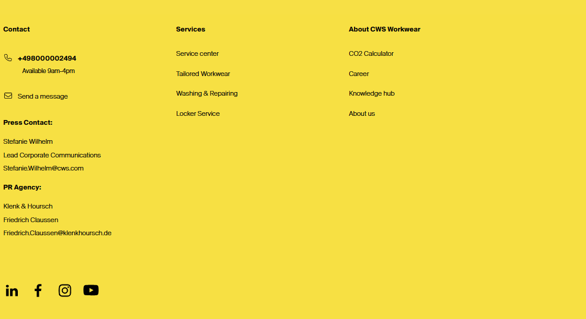
GlobalFooter | https://www.cws.com/en/healthcare https://www.cws.com/en/workwear | <div class="global-footer"> | global-footer | Copyright: Single-Line Text; Links: Children Name: Single-Line Text; Link: General Link;
Hero Banner | https://www.cws.com/en/workwear https://www.cws.com/en/healthcare | <div id="block-heroblock" class="block block-cws-solution-area" > | block block-cws-solution-area | 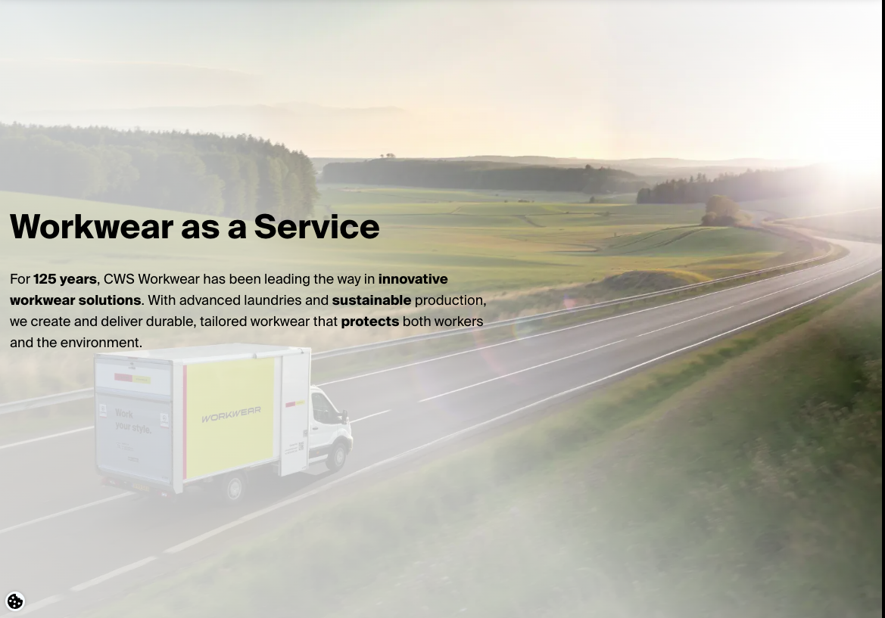 Headline: Single-Line Text; Subtext: Rich Text; Background Image: Image; ShowScrollDownAnimation: Checkbox;
Breadcrumb Navigation | https://www.cws.com/en/workwear http://cws.com/en/workwear/products https://www.cws.com/en/healthcare | <div id="block-breadcrumbs-3" class="block block-system"> | block block-system | Ordered List : List of URLs (List of herierchial navigation link depending on URLs) |  | Auto-generated Drupal breadcrumb block.
Sticky Contact Bar | https://www.cws.com/en/workwear https://www.cws.com/en/healthcare http://cws.com/en/workwear/products | <div id="block-stickycontactbar" class="block block-cws-sticky-contact-bar"> | block block-cws-sticky-contact-bar | Contact Number : Single-Line Text; |  | After Click , show the expanded component with contact number
WYSIWYG Block | CWS Workwear https://www.cws.com/en/healthcare/career https://www.cws.com/en/healthcare/sustainability https://www.cws.com/en/healthcare/elderly-care/workwear https://www.cws.com/en/healthcare/emergency-service | <div class="paragraph paragraph--type--wysiwyg-text"> | paragraph paragraph--type--wysiwyg-text | Text : Rich Text;
Product Teaser Grid | https://www.cws.com/en/workwear | <div class="paragraph paragraph--type--product-teaser"> | paragraph paragraph--type--product-teaser | Title: Single-Line Text; Product Listing: Treelist; imageURL: Image; CategoryTitle: Single-Line Text; CTAText: Single-Line Text; CTA_URL: General Link; | 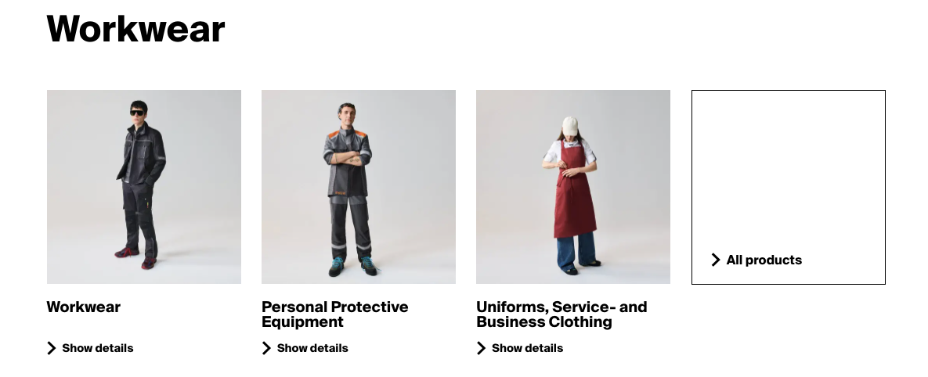 | Pulls in product listing based on selected category/subcategory. imgURL is optional.
Advantage Card | https://www.cws.com/en/workwear https://www.cws.com/en/healthcare/emergency-service http://cws.com/en/workwear/products https://www.cws.com/en/workwear/products/business-fashion | <div class="sa-workwear paragraph paragraph--type--advantages has-arrows"> | paragraph paragraph--type--advantage | Title: Single-Line Text; Cards: Component; CTA: General Link; | 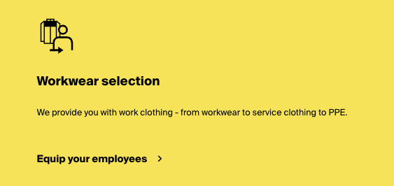 | A modular, reusable card component used to highlight key benefits of CWS Workwear services. Each card contains an icon, headline, descriptive text, and a call-to-action (CTA) link. Multiple cards appear in a grid layout on the page.
Landing Page Columns | https://www.cws.com/en/workwear https://www.cws.com/en/healthcare http://cws.com/en/workwear/products | <div class="field field--name-field-landing-page-elements field--type-entity-reference-revisions field__items"> | paragraph one-third paragraph--type--landing-page-rich-text | Title: Single-Line Text; Cards: [ Card Component ] |  | A stylized, grid-based content card designed to communicate a core product or service benefit. It includes an icon, title, and rich text, often grouped with two other tiles in a three-column layout. Commonly used in landing pages to convey values such as quality, safety, or sustainability.
Contact Form Banner | https://www.cws.com/en/workwear https://www.cws.com/en/healthcare http://cws.com/en/workwear/products | <div class="paragraph paragraph--type--contact-form-banner"> | paragraph paragraph--type--contact-form-banner | Title: Single-Line Text; Description: Multi-Line Text; CTA: General Link; PhoneNumber: Single-Line Text; |  | This is a full-width banner component used to prompt user engagement by offering direct contact options. It includes a promotional message, a CTA link that opens a modal form, and an optional phone number. Commonly placed at the bottom of product or category pages.
Text Highlight | https://www.cws.com/en/workwear https://www.cws.com/en/healthcare/sustainability https://www.cws.com/en/healthcare/emergency-service | <div class="paragraph paragraph--type--text-highlight"> | paragraph paragraph--type--text-highlight | Title: Single-Line Text; Content: Rich Text; | 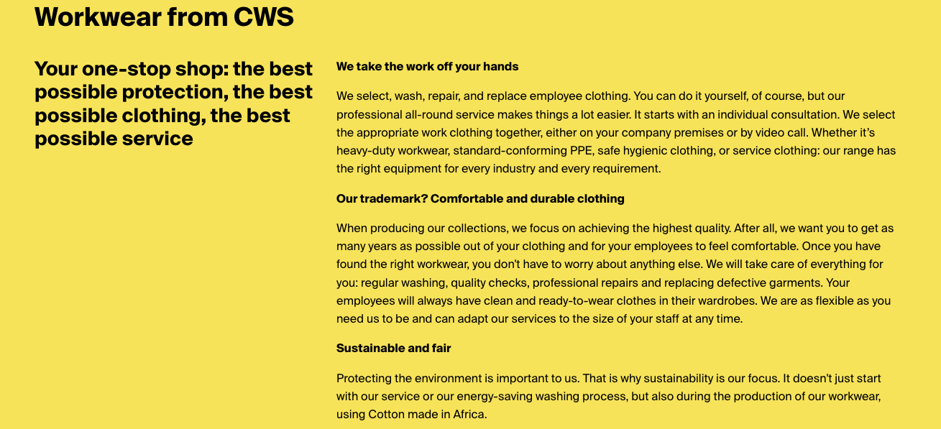 | This is a prominent content module used to introduce or emphasize key messaging, typically on landing pages. It includes a large headline (<h2>), a subheadline (<h3>), and a multi-paragraph rich text field. Common use cases include service intros, mission statements, or value propositions.
Horizontal Teaser | https://www.cws.com/en/workwear https://www.cws.com/en/healthcare/fire-brigade http://cws.com/en/workwear/products | <div class="paragraph paragraph--type--horizontal-teasers"> | paragraph paragraph--type--horizontal-teasers | Title: Single-Line Text; Image: Image; Image_Position: CheckBox; Headline: Single-Line Text; Description : Rich Text; Link: General Link; | 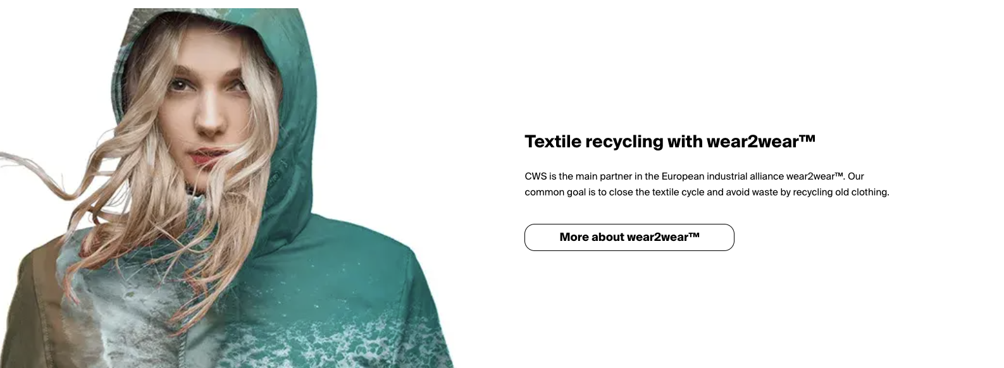 | This is a side-by-side promotional teaser combining an image with a headline, subtitle, and link. It is designed to highlight partnerships, campaigns, or initiatives—such as the wear2wear™ textile recycling initiative—within a clean, horizontal layout.
Certificates Slider | https://www.cws.com/en/workwear | <div class="paragraph paragraph--type--certificates certificates-inst-1" data-once="certificatesSlider"> | paragraph paragraph--type--certificates certificates-inst-1 | Title : Single-Line Text; Certificate_Items: [ Card Component Variant Certificate ]; CTA: General Link; |  | A horizontally scrolling slider showcasing sustainability and quality certifications relevant to CWS Workwear. Each slide includes a certificate title, description, and logo image. Includes a CTA link to a full list of certifications. Used to build trust and highlight compliance with industry standards.
Latest News Feed | https://www.cws.com/en/workwear | <div class="paragraph paragraph--type--latest-news"> | paragraph paragraph--type--latest-news | Title: Single-Line Text; News: Children; Title: Single-Line Text; Date: Date; Image: Image; Description: Multi-Line Text; Link: General Link; | 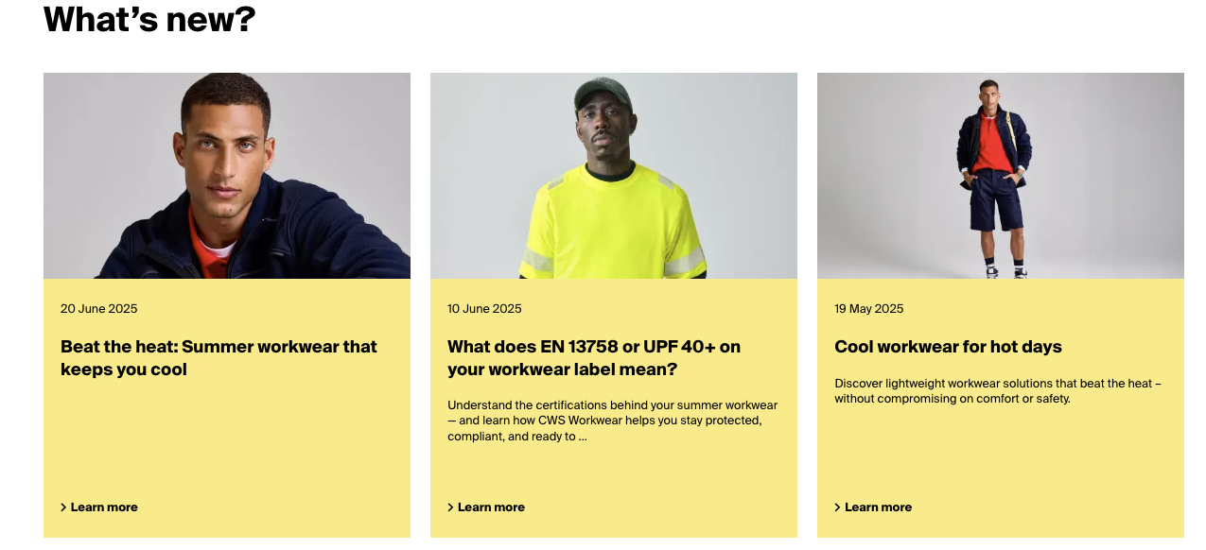 | Displays a dynamic grid of news articles filtered by solution area or category (e.g., Hygiene, Workwear, Sustainability). Includes images, titles, dates, optional teasers, and "Learn more" links. Powered by a Drupal View with AJAX support. Ideal for knowledge hubs or landing pages. on hover over the CTA link, tooltip the title of the card.
Accordion | https://www.cws.com/en/workwear/products https://www.cws.com/en/healthcare/sustainability | <div class="paragraph paragraph--type--faq lazy-load workwear lazy-inst-1"> | paragraph paragraph--type--faq lazy-load workwear lazy-inst-1 | Title: Single-Line Text; SubTitle: Single-Line Text; Description: Rich Text; Accordion Items: Children; Title: Single-Line Text; Description: Rich Text; | 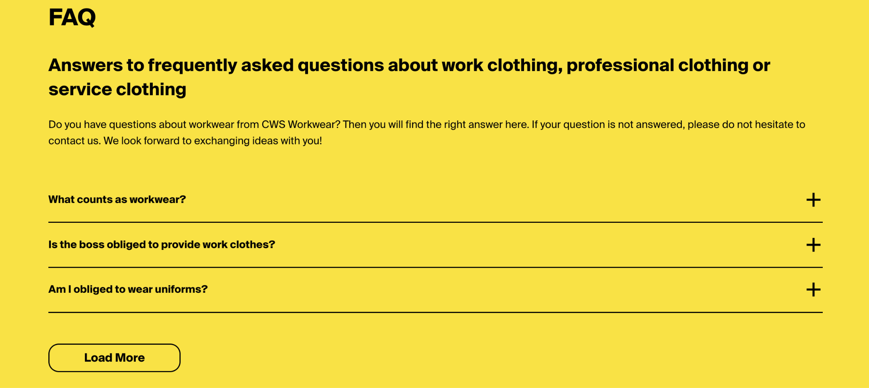 | An accordion-based component that displays a list of frequently asked questions with expandable answers. It includes an introductory heading, subtitle, optional rich text intro, and a set of collapsible Q&A pairs. Some entries are hidden by default and can be revealed using a “Load More” button. By default, only 3 accordians are shown.
Accordion Item | https://www.cws.com/en/workwear/products | <div class="paragraph paragraph--type--qa"> | paragraph paragraph--type--qa | Title: Single-Line Text; Description: Rich Text; |  | The expanded accordian shows description in full length
Workwear Collections (Teaser Grid) | https://www.cws.com/en/workwear/products | <div class="paragraph paragraph--type--product-teaser"> | paragraph--type--product-teaser | Title: Single-Line Text; Product Listing: Treelist; imgURL: Image; CTA_title: Single-Line Text; CTA_link: General Link; | 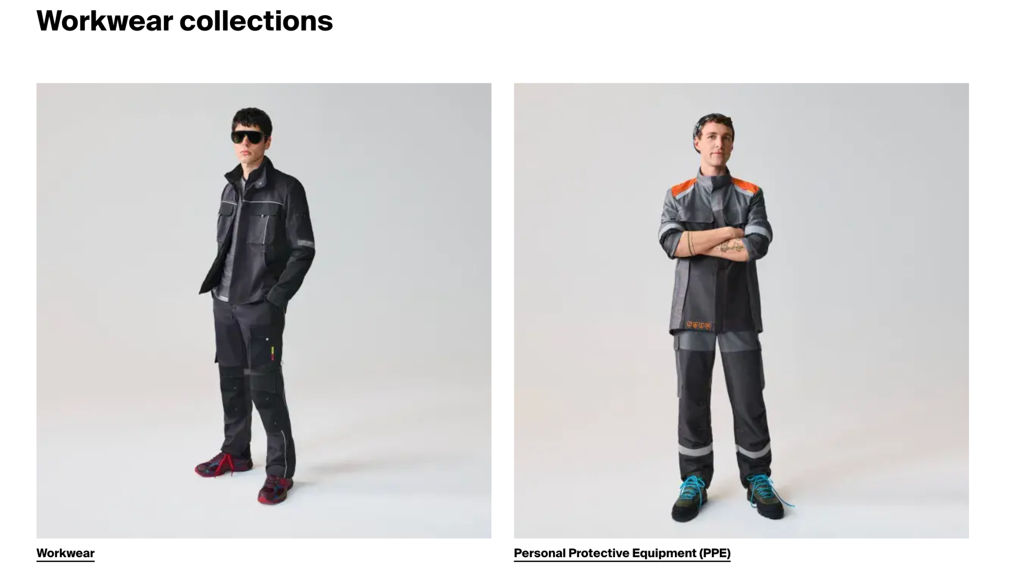 | Grid of featured workwear product categories, each with an image, title, and link to a category landing page. The items are visually styled as large, clickable product cards with background images and overlayed titles.
Downloads | http://cws.com/en/workwear/products/craft-clothing/220-days | N/A | paragraph--type--downloads | Docuument: General Link; |  | A single downloadable file presented with a filename and file size, styled with a download icon. Often used to offer brochures, technical specs, or other resources to site visitors.
Image Gallery | https://www.cws.com/en/workwear/workwear-selection/workwear/base-line | N/A | paragraph--type--image-gallery gallery-swipe-1 | Gallery Images: Media (Multi-select) |  | An interactive image gallery that supports swipe or click navigation. Images open in a lightbox using PhotoSwipe functionality, allowing fullscreen view with captions and zoom controls. Ideal for visual storytelling, product showcases, or behind-the-scenes content.
Industry Teaser Grid | https://www.cws.com/en/workwear/sectors | <div class="paragraph paragraph--type--teasers no-lazy masonry-inst-1"> | paragraph--type--teasers masonry-inst-1 | Title: Short text Industry Teasers: Industries (Multiselect) | 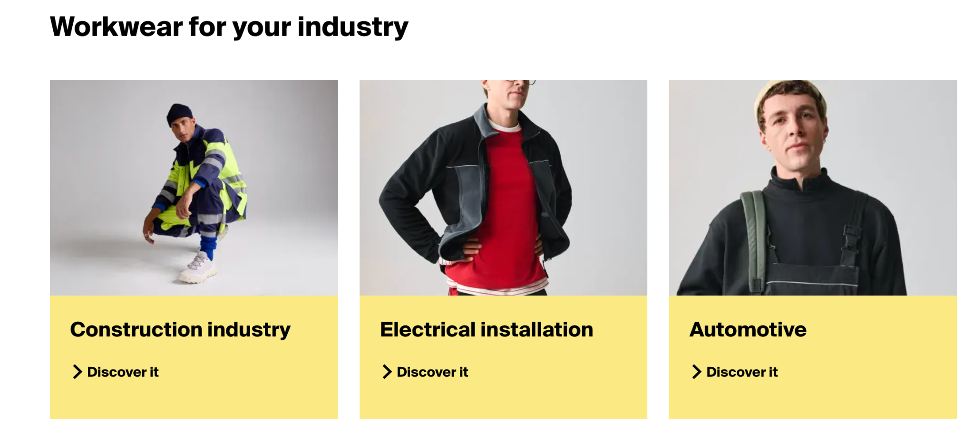 | A masonry-style three-column teaser layout showcasing workwear solutions by industry sector. Each teaser includes an image, a heading, and a CTA link. Used to guide users to industry-specific product detail pages. Optimized for visual browsing and quick navigation.
Industry Sector Teaser | https://www.cws.com/en/workwear/sectors | <div class="teasers-col three-col"> | paragraph--type--teaser has-image | Title: Single-Line Text; Image: Image; Link: General Link; Link Text: Single-Line Text; | 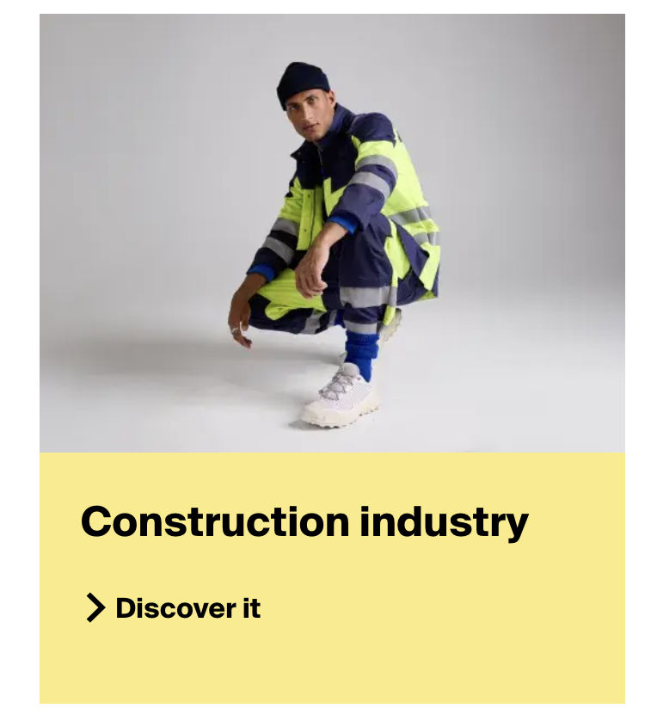 | A single industry consists of Industry name and CTA to the actual industry page
Node-Full View | https://www.cws.com/en/workwear/products/bestsellers | <article class="node node--type-content-page node--view-mode-full"> | node node--type-content-page node--view-mode-full" | Title: Single-Line Text; HorizontalCard: Children; ImageLayout: Checkbox; ImageURL: Image; Title: Single-Line Text; Description: Rich Text; CTA_button_title: Single-Line Text; CTA_button_link: General Link; | 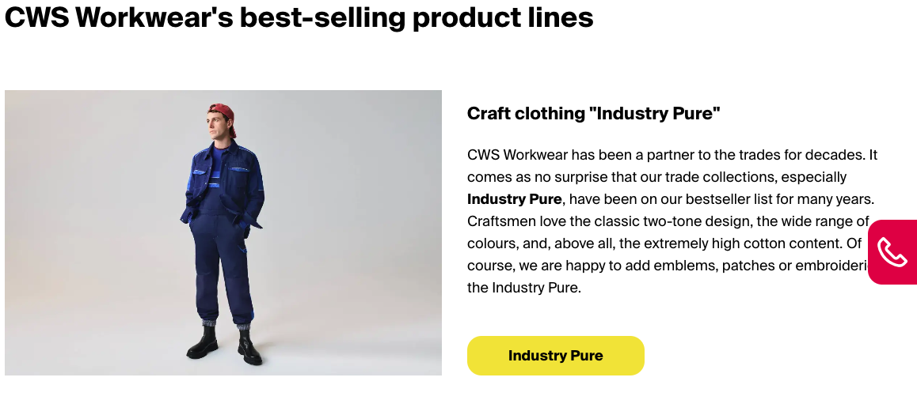 | Image Layout field decides the image portion in the horizontal card. 1/2(left column) ro 1/3 (right column)
Entity Refernce | https://www.cws.com/en/workwear/products/business-fashion https://www.cws.com/en/healthcare/sustainability https://www.cws.com/en/healthcare/elderly-care/residens-service https://www.cws.com/en/healthcare/elderly-care | <div class="field field--name-field-landing-page-elements field--type-entity-reference-revisions field__items"> | paragraph medium paragraph--type--landing-page-columns | Title: Single-Line Text; Reference_Entity: Single-Line Text; Reference_Description: Single-Line Text; Reference_Block_Icon: Image; | 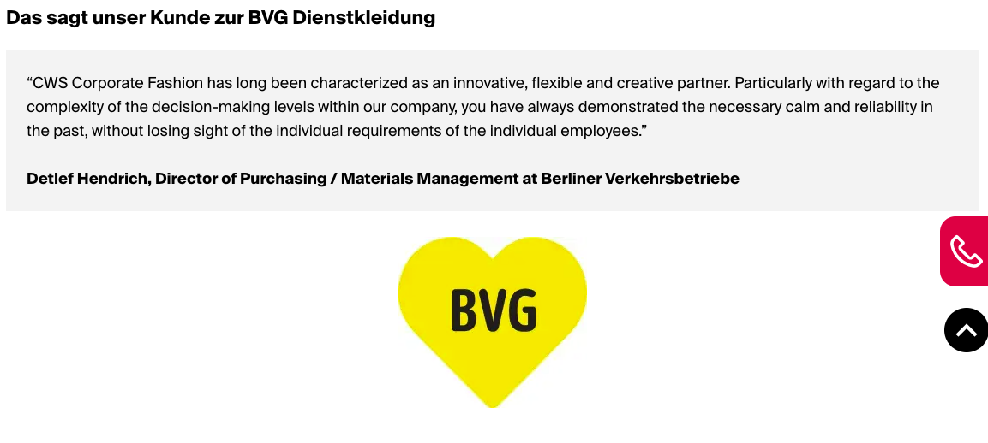 | Full screen horizontal card with some variants
Individual Products display | https://www.cws.com/en/workwear/haccp | <div class="paragraph one-third paragraph--type--landing-page-rich-text"> | paragraph one-third paragraph--type--landing-page-rich-text | Title: Single-Line Text; ProductList: Children; Name: Single-Line Text; AttributeList: Children; Attribute: Single-Line Text; | 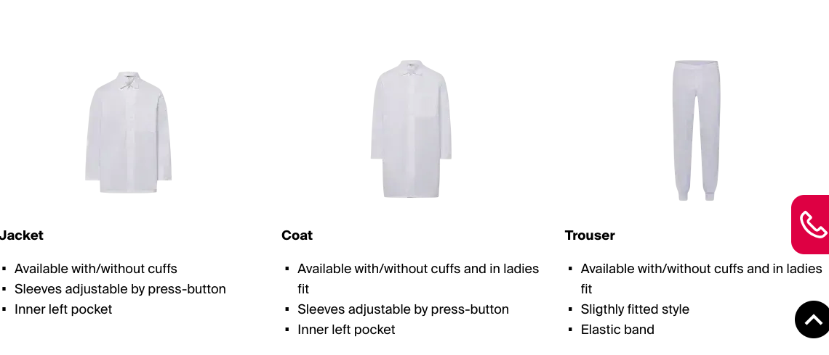 | Shows all the individaul components in a workwear suits
Dialog popup link | https://www.cws.com/en/workwear/haccp | <div class="links-wrapper"> | field--name-field-link | CTA_Text: Single-Line Text; CTA_URL: General Link; |  | onclick , a dialogue box is opening.
Logos | https://www.cws.com/en/healthcare | <div class="paragraph paragraph--type--wysiwyg-text"> | paragraph paragraph--type--wysiwyg-text | Title: Single-Line Text; Image: Image;
Areas Component | https://www.cws.com/en/healthcare | <div class="paragraph paragraph--type--solution-offerings-donut doughnut-inst-1"> | paragraph paragraph--type--solution-offerings-donut doughnut-inst-1 | Title: Single-Line Text; Image: Image; Cards:[ Card Component ]; | 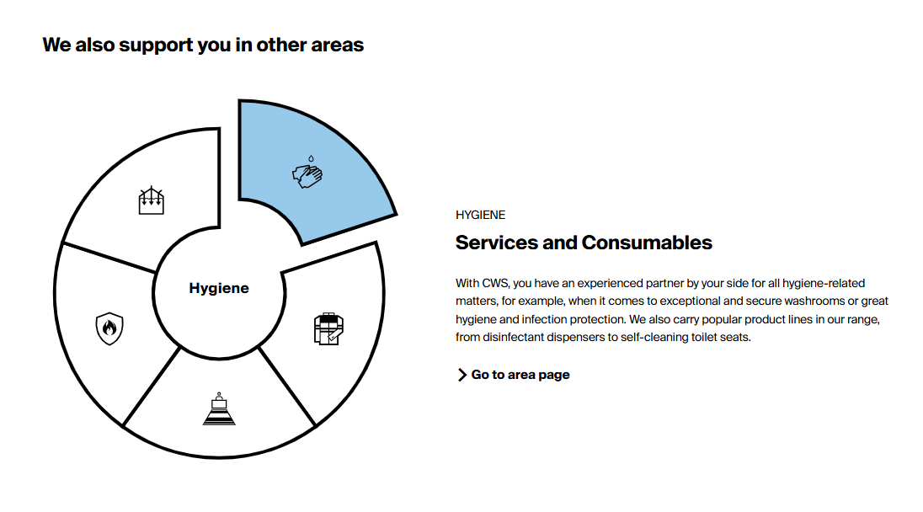
News Listing | https://www.cws.com/en/healthcare | <div class="paragraph paragraph--type--latest-news"> | paragraph paragraph--type--latest-news | Title: Single-Line Text; News: Children; Tag: Multilist; Date: Date; Title: Single-Line Text; Description: Multi-Line Text; | 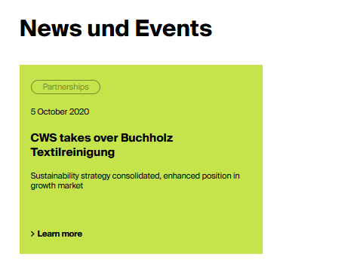
Download component | https://www.cws.com/en/healthcare/sustainability | <div class="paragraph paragraph--type--downloads"> | paragraph paragraph--type--downloads | Document: General Link;
Slider Component | https://www.cws.com/en/healthcare/elderly-care https://www.cws.com/en/healthcare/emergency-service https://www.cws.com/en/healthcare/fire-brigade | <div data-scrollmagic-pin-spacer="" class="scrollmagic-pin-spacer" style="inset: auto; margin: 0px 0px 72px; display: block; position: relative; box-sizing: content-box; min-height: 524px; height: auto; padding-top: 0px; padding-bottom: 1160px;"> | scrollmagic-pin-spacer | Title: Single-Line Text; Items: Cards; | 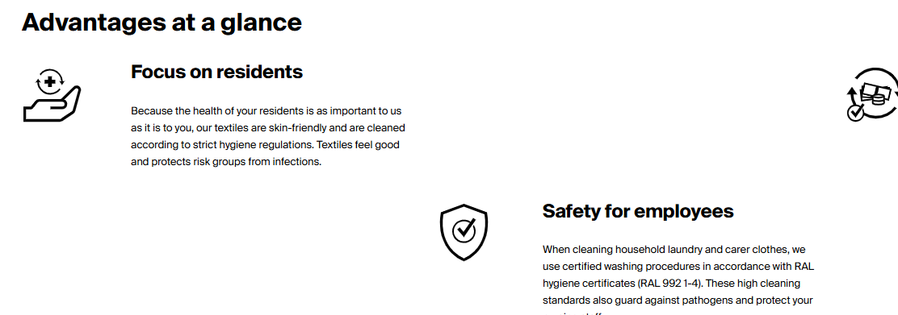 | Horizontal scroll till end of the selection and then down the page
Card Component | https://www.cws.com/en/healthcare/elderly-care | <div class="paragraph paragraph--type--benefit-fact"> | paragraph paragraph--type--benefit-fact | Icon: Image; Title: Single-Line Text; Description: Rich Text; Link: General Link; | 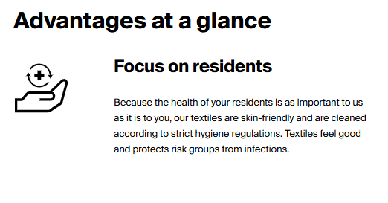 | Represents the advantage card
Video Player Component | https://www.cws.com/en/workwear/core-solutions | <iframe width="200" height="113" frameborder="0" allow="accelerometer; autoplay; title="CWS Workwear service"></iframe> | ytp-cued-thumbnail-overlay | Link: General Link; | 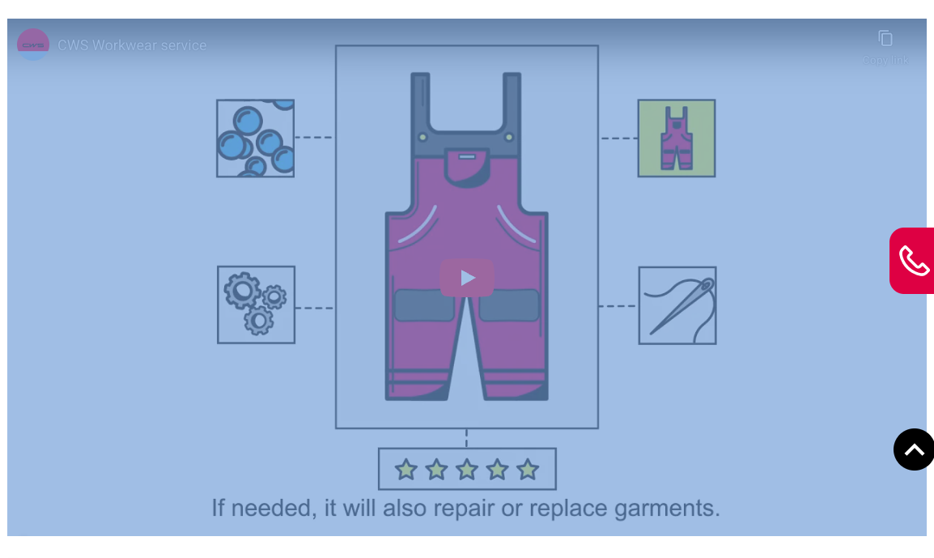 | An iframe which plays a youtube vedio in the fixed width and height
Circular Animation Component | https://www.cws.com/en/workwear/core-solutions/wash-repair-service | <div class="paragraph paragraph--type--cycle-component" data-once="cycleComponent"><div class="container"> | paragraph paragraph--type--cycle-component |  | 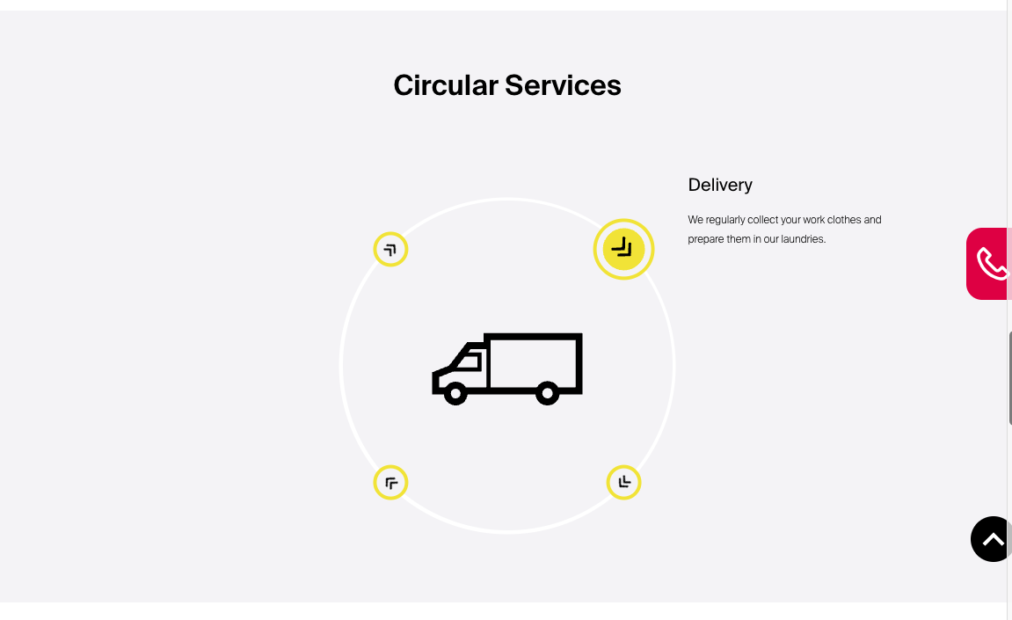 | An animated representation of a sequence of steps in a interactive way.
Link Component | https://www.cws.com/en/arbeitskleidung/ci-kleidung | <div class="paragraph paragraph--type--links"> | paragraph paragraph--type--links | Link : General Link; |  | Standalone CTA link
Link Animated Component | https://www.cws.com/en/workwear/additional-solutions/smartlockers | <div class="paragraph paragraph--type--highlight-component highlight-component-image-1"> | paragraph paragraph--type--highlight-component highlight-component-image-1 |  | 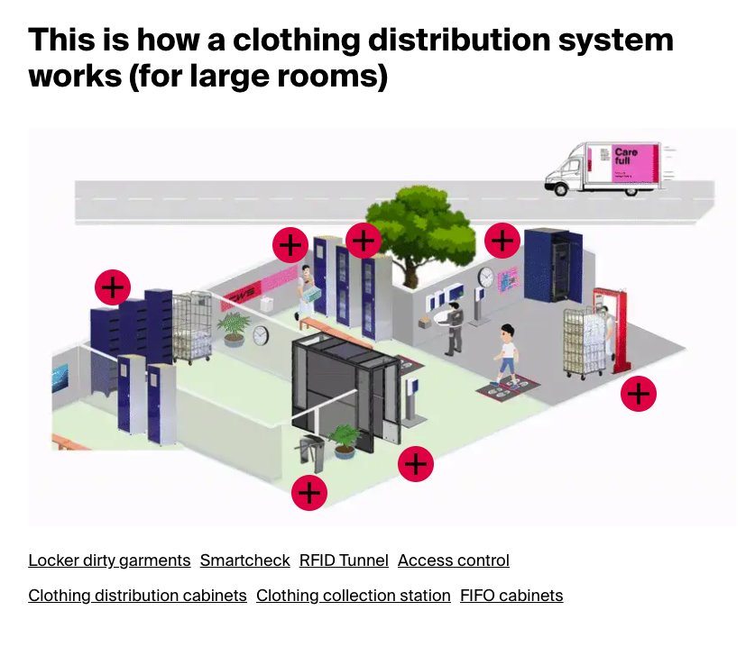 | An animated representation of highlighting the different components in a process
WYSIWYG Table | https://www.cws.com/en/workwear/additional-solutions/smartlockers | <div class="paragraph paragraph--type--wysiwyg-text"> | paragraph paragraph--type--wysiwyg-text | Table : Rich Text | 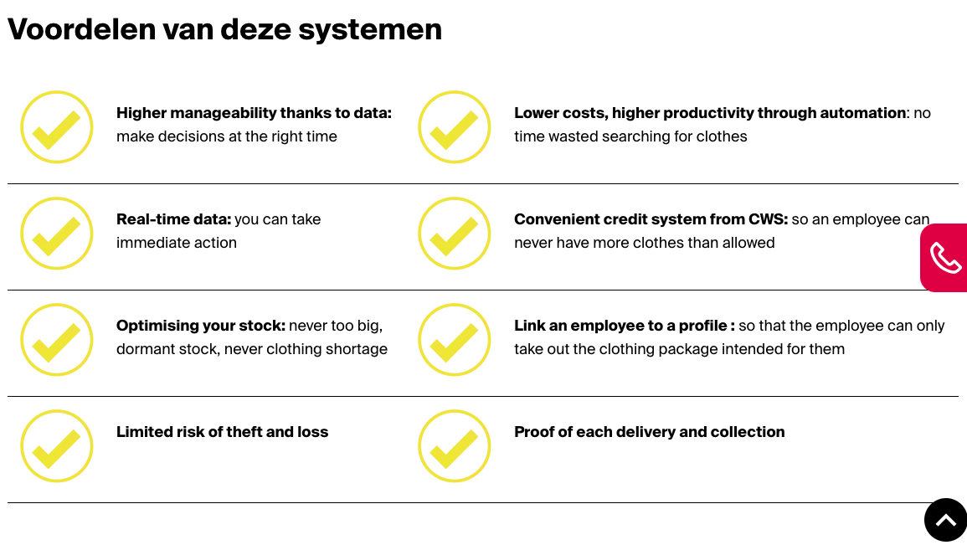 | A tablular representation of the list of features
Simple Heading | https://www.cws.com/en/workwear/workwear-as-a-service | <div class="field field--name-field-text field--type-text-long field--label-hidden entity_type-paragraph field__item"> | paragraph paragraph--type--landing-page-rich-text | Title : Single-line Text |  | This is just a Title show , no action.
Image Gallery | https://www.cws.com/en/workwear/sectors/construction | <div class="paragraph paragraph--type--products-list product-filter-workwear product-list-1" data-once="changeProdImages"> | paragraph paragraph--type--products-list product-filter-workwear product-list-1 | Gallery Images: Media (Multi-select) CTA_Link: General Link | 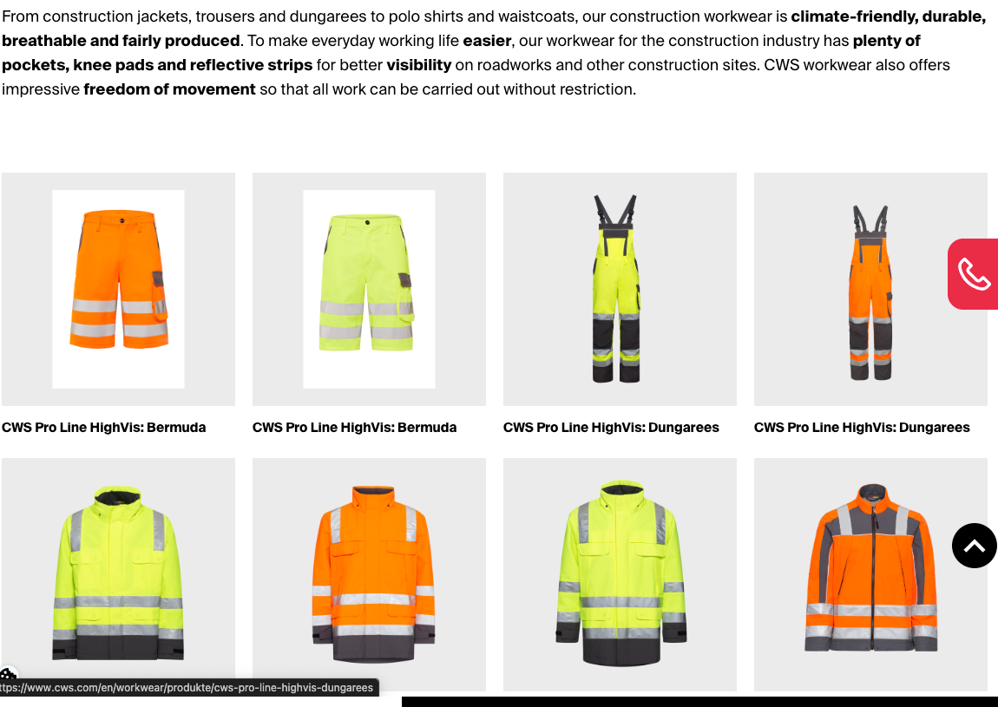 | Gallery of images of an industry type.
Image component | https://www.cws.com/en/healthcare/elderly-care/residens-service | <div class="paragraph full paragraph--type--image-full-width"> | paragraph full paragraph--type--image-full-width | Image: Image; |  | an image with full width
Testimonial | https://www.cws.com/en/healthcare/elderly-care/residens-service | <div class="paragraph paragraph--type--testimonial"> | paragraph paragraph--type--testimonial | Testimonial: Multi-Line Text; Name: Single-Line Text; Image: Image; | 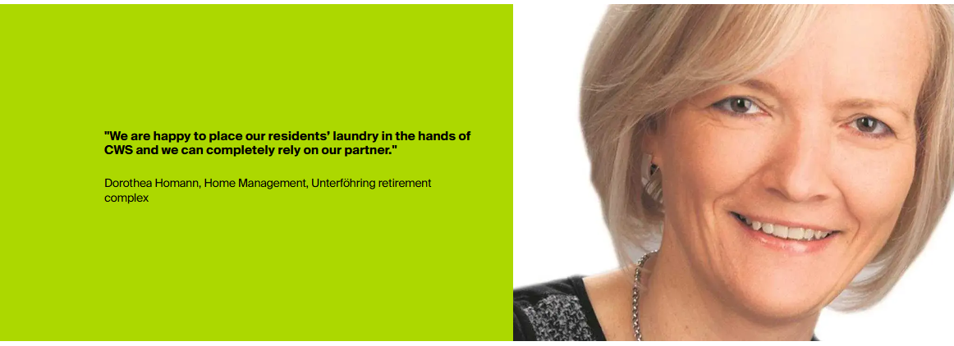 | Testimonial with picture, testimony and the author.

All Search
Component | Sample URLs of Component | Component ID | Component Class | Fields |  | Image | Notes
Header Search Bar | https://www.cws.com/en/workwear | header-search-form-wrapper | header-search-form-wrapper search-visible | header .header-search-form-wrapper.search-visible { opacity: 1; pointer-events: auto
Find your product | https://www.cws.com/en/workwear https://www.cws.com/en/workwear/products/bestsellers | views-exposed-form | views-exposed-form bef-exposed-form | div.view-products-filter.view-id-products_filter .view-filters .mobile-filters form { display: flex; flex-direction: row; flex-wrap: wrap; width: 100%; -moz-column-gap: 2rem; column-gap: 2rem; } }
work-wear shop searchbar | https://workwear-shop.cws.com/ | large-search | large-search desktop-4 | .gridlock .row .desktop-4 { width: 31.25%
work-wear shop navigation bar | https://workwear-shop.cws.com/ | navigation__maincontainer | navigation__maincontainer row | .gridlock .row { width: 94%; }
Find your Job at CWS Workwear | https://www.cws.com/en/workwear/career | js-form-item | js-form-item form-item form-type-textfield js-form-type-textfield form-item-title js-form-item-title | NA | 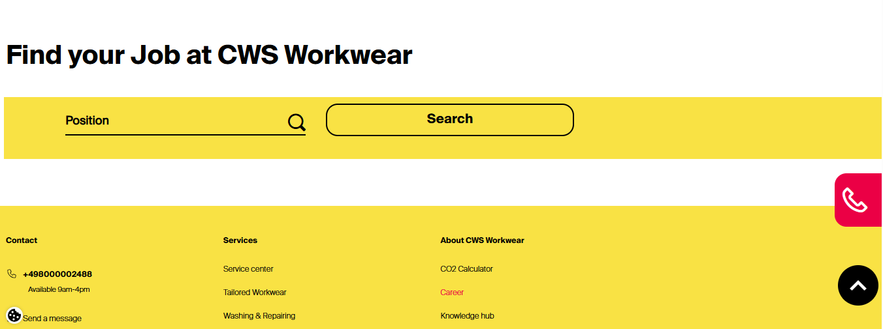
Header Search Bar | https://www.cws.com/en/healthcare | header-search-form-wrapper | header-search-form-wrapper search-visible | header .header-search-form-wrapper.search-visible { opacity: 1; pointer-events: auto

 |  |  |  | }

Products Component
Component | Catagory | Sample URLs of Component | Component ID | Component Class | User Story | HTML Tag | Images
Product Single page | workwear | https://www.cws.com/en/workwear/products/craft-clothing/220-days | block-cwsdesign-content | block block-system | As Software Engineer I want the existing "{dynamic product name in slug}" product page (URL: https://www.cws.com/en/workwear/products/craft-clothing/ https://www.cws.com/en/workwear/products/{dynamic category name}/) migrated from the Drupal CMS into the Sitecore CMS, So that we maintain the same product listing structure, design consistency, and SEO value while leveraging Sitecore’s content management, personalization, and analytics capabilities. | <div id="block-cwsdesign-content" class="block block-system">
Product Listing | workwear | https://www.cws.com/en/workwear/products/ | block-cwsdesign-content | block block-system | As Software Engineer I want the existing products listing page (URL: https://www.cws.com/en/workwear/products/ migrated from the Drupal CMS into the Sitecore CMS, So that we maintain the same product listing structure, design consistency, and SEO value while leveraging Sitecore’s content management, personalization, and analytics capabilities. | <div id="block-cwsdesign-content" class="block block-system">
Product Category | workwear | https://www.cws.com/de-DE/hygiene/produkte/haendehygiene/seifenspender here seifenspender is sub-category {dynamic change sub category slug} | block-heroblock | block block-system | As Software Engineer I want the existing "{dynamic category name in slug}" product category page (URL: https://www.cws.com/de-DE/hygiene/produkte/haendehygiene/seifenspender{dynamic category name}/) migrated from the Drupal CMS into the Sitecore CMS, So that we maintain the same product listing structure, design consistency, and SEO value while leveraging Sitecore’s content management, personalization, and analytics capabilities. | <div id="block-cwsdesign-content" class="block block-system"> <article class="node node--type-content-page node--view-mode-full">
Hygiene Product Single page | Hygiene | https://www.cws.com/en/hygiene/products/surface-hygiene/toilet-seat-cleaner Here product name and category name is dynamic Category Name = Surface0hygiene {dynamic_change} Product Name = toilet-seat-cleaner {dynamic_change} | block-cwsdesign-content | block block-system | As Software Engineer I want the existing "{dynamic product name in slug}" product page (URL: https://www.cws.com/en/hygiene/products/surface-hygiene/toilet-seat-cleaner https://www.cws.com/en/hygiene/products/{category_name}/{prod_name}) migrated from the Drupal CMS into the Sitecore CMS, So that we maintain the same product listing structure, design consistency, and SEO value while leveraging Sitecore’s content management, personalization, and analytics capabilities. | <div id="block-cwsdesign-content" class="block block-system"> <article class="node node--type-content-page node--view-mode-full">
Hygiene Product Listing | Hygiene | https://www.cws.com/en/hygiene/products/toilet-hygiene Here product category name is dynamic Category Name = toilet-hygiene {dynamic_change} | block-cwsdesign-content | node node--type-content-page node--view-mode-full | As Software Engineer I want the existing products listing page (URL:https://www.cws.com/en/hygiene/products/toilet-hygiene {toilet-hygiene = category name} that would be dynamic and migrated from the Drupal CMS into the Sitecore CMS, So that we maintain the same product listing structure, design consistency, and SEO value while leveraging Sitecore’s content management, personalization, and analytics capabilities. | <div id="block-cwsdesign-content" class="block block-system"> <article class="node node--type-content-page node--view-mode-full"> | 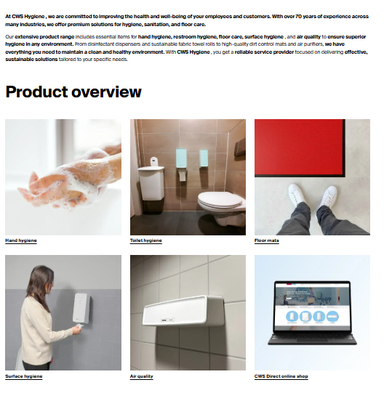
Hygiene Product Category | Hygiene | https://www.cws.com/de-DE/hygiene/produkte | block-cwsdesign-content | node node--type-content-page node--view-mode-full | As Software Engineer I want the existing "{dynamic hygiene category name in slug}" product category page that is related only the hygeine (URL: https://www.cws.com/en/hygiene/products) migrated from the Drupal CMS into the Sitecore CMS, So that we maintain the same product listing structure, design consistency, and SEO value while leveraging Sitecore’s content management, personalization, and analytics capabilities. | <article class="node node--type-content-page node--view-mode-full"><div class="node__content"><div class="field field--name-field-components field--type-entity-reference-revisions field--label-hidden entity_type-node field__items"><div class="field__item"><div class="paragraph paragraph--type--wysiwyg-text"><div class="field field--name-field-wysiwyg-text field--type-text-long field--label-hidden entity_type-paragraph field__item"><div class="OutlineElement Ltr SCXW238963940 BCX8"><p><span class="TextRun SCXW238963940 BCX8 NormalTextRun" lang="DE-DE"><strong><font dir="auto" style="vertical-align: inherit;"><font dir="auto" style="vertical-align: inherit;">At </font></font></strong></span><span class="TextRun SCXW238963940 BCX8 NormalTextRun ContextualSpellingAndGrammarErrorV2Themed" lang="DE-DE"><strong><font dir="auto" style="vertical-align: inherit;"><font dir="auto" style="vertical-align: inherit;">CWS Hygiene </font></font></strong></span><span class="TextRun SCXW238963940 BCX8 NormalTextRun" lang="DE-DE"><strong><font dir="auto" style="vertical-align: inherit;"><font dir="auto" style="vertical-align: inherit;">, we are committed to improving the health and well-being of your employees and customers. With over 70 years of experience across many industries, we offer premium solutions for hygiene, sanitation, and floor care.</font></font></strong></span><span class="EOP SCXW238963940 BCX8">&nbsp;</span></p></div><div class="OutlineElement Ltr SCXW238963940 BCX8"><p><span class="TextRun SCXW238963940 BCX8 NormalTextRun" lang="DE-CH"><font dir="auto" style="vertical-align: inherit;"><font dir="auto" style="vertical-align: inherit;">Our </font></font><strong><font dir="auto" style="vertical-align: inherit;"><font dir="auto" style="vertical-align: inherit;">extensive product range</font></font></strong><font dir="auto" style="vertical-align: inherit;"><font dir="auto" style="vertical-align: inherit;"> includes essential items for </font></font><strong><font dir="auto
Product / Cetegory Hero Section | Hygiene | https://www.cws.com/de-DE/hygiene/produkte/toilettenhygiene https://www.cws.com/de-DE/hygiene/produkte/fussmatten https://www.cws.com/de-DE/hygiene/produkte/oberflaechenhygiene https://www.cws.com/de-DE/hygiene/produkte/haendehygiene/ https://www.cws.com/de-DE/hygiene/produkte/lufthygiene | block-heroblock | block block-hero hygiene has-image has-hero-form
Product Category Breadcrum | Hygiene | https://www.cws.com/de-DE/hygiene/produkte | block-breadcrumbs-3 | block block-system |  | 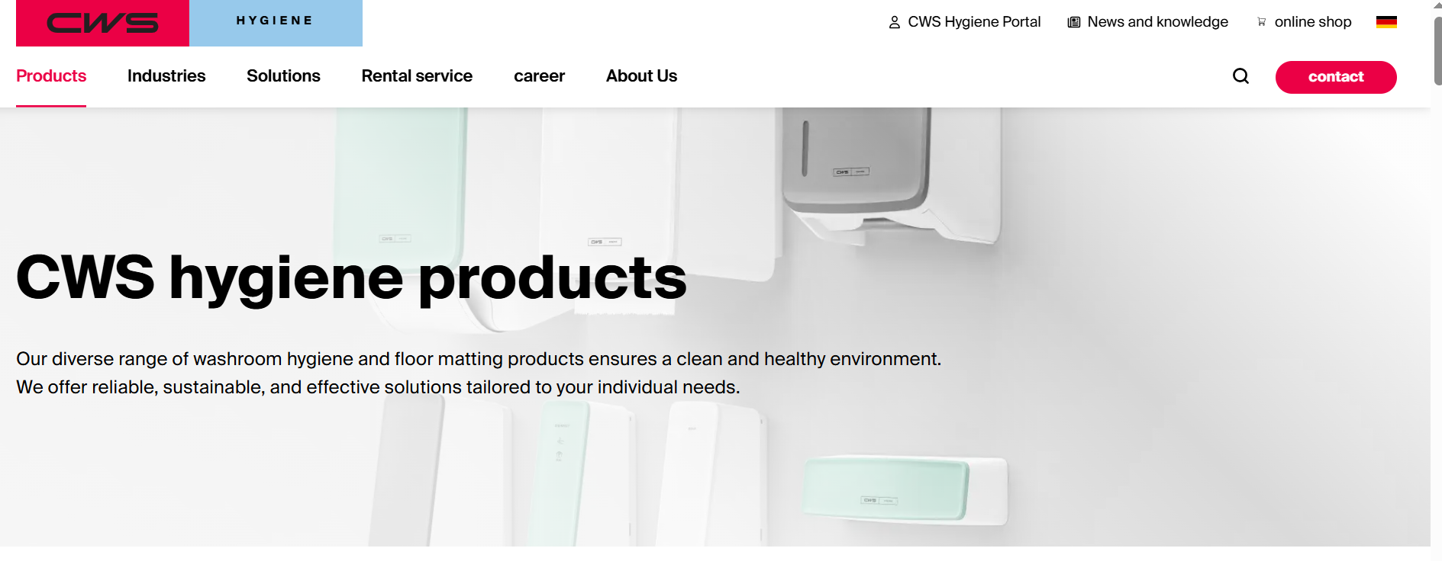 <div id="block-breadcrumbs-3" class="block block-system"> <nav role="navigation" aria-labelledby="system-breadcrumb"> <span id="system-breadcrumb" class="visually-hidden"><font dir="auto" style="vertical-align: inherit;"><font dir="auto" style="vertical-align: inherit;">Breadcrumb</font></font></span><ol><li> <a href="/de-DE"><i class="icon-home"></i><span class="home-text"><font dir="auto" style="vertical-align: inherit;"><font dir="auto" style="vertical-align: inherit;">Home</font></font></span></a></li><li> <a href="/de-DE/hygiene"><font dir="auto" style="vertical-align: inherit;"><font dir="auto" style="vertical-align: inherit;">Overview CWS Hygiene</font></font></a></li><li><font dir="auto" style="vertical-align: inherit;"><font dir="auto" style="vertical-align: inherit;">Products</font></font></li></ol> </nav></div> | 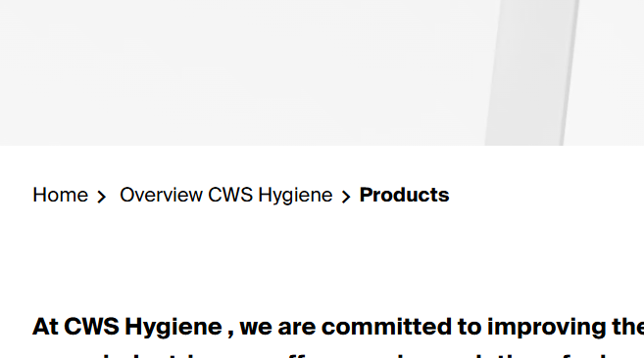
Product Shop Cart | Hygiene | https://cwsdirect.com/

search hygiene
Component | Sample URLs of Component | Component ID | Component Class | Fields |  | Image | Notes
Find your Job at CWS Workwear | https://www.cws.com/en/workwear/career https://www.cws.com/en/hygiene/careers/job-board | js-form-item | js-form-item form-item form-type-textfield js-form-type-textfield form-item-title js-form-item-title | NA
Header Search Bar | https://www.cws.com/en/hygiene | header-search-form-wrapper | header-search-form-wrapper search-visible | header .header-search-form-wrapper.search-visible { opacity: 1; pointer-events: auto
Find your product | https://www.cws.com/en/hygiene/products | views-exposed-form | views-exposed-form bef-exposed-form | div.view-products-filter.view-id-products_filter .view-filters .mobile-filters form { display: flex; flex-direction: row; flex-wrap: wrap; width: 100%; -moz-column-gap: 2rem; column-gap: 2rem; }
Header Search Bar | https://cwsdirect.com/en | header__search header__search--collapsible-mob | header__search header__search--collapsible-mob js-search-bar relative js-closes-menu |  | 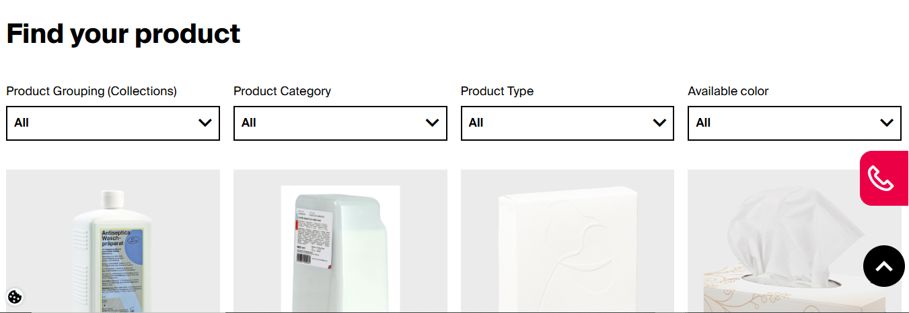
Available Colours | https://www.cws.com/en/hygiene/produkte/cws-pureline-cream-non-touch https://www.cws.com/en/hygiene/produkte/cws-pureline-surface-cleaner-toilet-non-touch https://www.cws.com/en/hygiene/produkte/cws-pureline-surface-cleaner-toilet https://www.cws.com/en/hygiene/produkte/cws-paradise-stainless-steel-seatcleaner https://www.cws.com/en/hygiene/produkte/cws-paradise-cleanseat-universal https://www.cws.com/en/hygiene/produkte/cws-pureline-surface-cleaner-toilet-non-touch https://www.cws.com/en/hygiene/produkte/cws-pureline-surface-cleaner-toilet https://www.cws.com/en/hygiene/produkte/cws-paradise-stainless-steel-seatcleaner https://www.cws.com/en/hygiene/produkte/cws-pureline-foam-soap-dispenser-non-touch https://www.cws.com/en/hygiene/produkte/cws-pureline-foam https://www.cws.com/en/hygiene/produkte/cws-pureline-cream-non-touch https://www.cws.com/en/hygiene/produkte/cws-pureline-cream https://www.cws.com/en/hygiene/produkte/cws-stainless-steel-foam-slim https://www.cws.com/en/hygiene/produkte/cws-pureline-disinfect-foam https://www.cws.com/en/hygiene/produkte/cws-pureline-dry https://www.cws.com/en/hygiene/produkte/cws-stainless-steel-cotton-towel-dispenser-dry-slim https://www.cws.com/en/hygiene/produkte/cws-pureline-disinfect-gel-non-touch https://www.cws.com/en/hygiene/produkte/cws-mediline-universal-dispenser-500-ml-stainless-steel https://www.cws.com/en/hygiene/produkte/cws-pureline-handlotion-non-touch https://www.cws.com/en/hygiene/produkte/cws-mediline-universal-dispenser-500-ml-stainless-steel https://www.cws.com/en/hygiene/produkte/cws-pureline-handlotion-04 | product-color-switcher | select-wrap | products>.node__content .select-wrap { position: relative; padding-bottom: 10px; padding-top: 10px; border: 2px solid #000;
Filter & Sort by | https://cwsdirect.com/en/collections/seifenspender-lotionspender?sort_by=manual https://cwsdirect.com/en/collections/papierspender https://cwsdirect.com/en/collections/desinfektionsspender https://cwsdirect.com/en/collections/duftspender | main-products-grid | main-products-grid main-products-grid--contained flex | body { color: rgb(var(--text-color)); font-family: var(--body-font-family); font-size: calc(var(--body-font-size) * .1rem); font-style: var(--body-font-style); font-weight: var(--body-font-weight); line-height: 1.5; }

WW-Form
Component | Sample URLs of Component | Component ID | Component Class | Fields | Image | Notes
Expert Advice Form | https://www.cws.com/en/workwear/products/basics | hero-form-contact-us | .hero-form.contact-us-form-1 | No. Sitecore Template Field Name Type Validation / Details 1 Title Single-Line Text Required; editable per language; used as main heading. 2 Subtitle Multi-Line Text Optional; editable per language; used as subheading. 3 Radio (Already a customer?) Checkbox List Required; options managed through Sitecore content items (Yes / No, language-specific). 4 Select (Interest) Droplist Default value configurable in content; options sourced from a multilingual dictionary or data source. 5 Text (First name last name) Single-Line Text Required; text input validation; language-agnostic. 6 Text (Company / institution) Single-Line Text Required; plain text input. 7 Text (ZIP Code) Single-Line Text Required; Regex: ^\d{4,10}$ (numeric only, 4–10 digits). 8 Tel (Phone) Single-Line Text Required; Regex: ^\+?[0-9\s-]{7,15}$ (supports international format). 9 Email (E-Mail) Single-Line Text Required; Regex: ^[\w\.-]+@[\w\.-]+\.\w{2,}$ (valid email format). 10 Text (Your message) Multi-Line Text Required; user-entered message field. 11 Checkbox (Newsletter consent) Checkbox Optional; label text localized through Sitecore field value. 12 Submit Button Label / Button Label text stored in Sitecore for multilingual rendering. 13 Footer Text Multi-Line Text Configurable localized text; used for privacy notice or disclaimer. 14 Phone (Click-to-call link) General Link Localized click-to-call link (e.g., tel:+498000002487) — editable per language version. |  | Displays a hero-area lead generation form that collects customer information for individual advice or product interest. Includes validation, conditional hidden fields, and success/error modal on submit.
Contact Form Hero | https://www.cws.com/en/form/hero ,https://pink.cws.com/pink.php (form action) | webform-submission-hero-add-form--2 | webform-submission-form webform-submission-hero-form webform-submission-hero-add-form | No. Sitecore Template Field Name Type Validation / Details 1 Already a customer? Checkbox List Required; options (Yes/No) managed via Sitecore content for localization. 2 Your interest in Droplist Default option configurable via datasource; multilingual dictionary support for dropdown values. 3 First name last name Single-Line Text Required; Regex validation for alphabetic characters and spaces (e.g., ^[A-Za-z\s]{2,100}$). 4 Company / institution Single-Line Text Required; plain text input; localized label text. 5 ZIP Code Single-Line Text Required; Regex validation to support multiple regional formats (e.g., ^[A-Za-z0-9\s-]{4,10}$). 6 Phone Single-Line Text Required; Regex: ^\+?[0-9\s-]{7,15}$ (supports international formats). 7 E-Mail Single-Line Text Required; Regex: ^[\w\.-]+@[\w\.-]+\.\w{2,}$ (valid email format). 8 Customer no. Single-Line Text Conditional field; visible only if “Already a customer?” = Yes; optional validation. 9 Your message Multi-Line Text Required; user input field for messages or inquiries. 10 Name (hidden helper field) Single-Line Text Hidden field; used as anti-bot placeholder or styled element; not user-editable. 11 OID Hidden Field System field; populated automatically for tracking/CRM integration. 12 URL Hidden Field System field; captures referring page URL. 13 Marketing Code Hidden Field System field; used for campaign attribution. 14 Campaign Hidden Field System field; stores campaign name or ID. 15 Recommended By Hidden Field System field; optional referral tracking. 16 Form Type Hidden Field System field; defines type (e.g., Lead / Service). 17 Referrer Hidden Field System field; captures referrer domain or source. 18 Hero Flag Hidden Field System flag for UI variant tracking. 19 GCLID Hidden Field System field; captures Google Ads click ID. 20 FBCLID Hidden Field System field; captures Facebook click ID. 21 GA Client ID Hidden Field System field; captures Google Analytics client identifier. 22 Transaction I |  | - Form starts with intro text headlines: “Individual expert advice” and “Non-binding and competent for your industry.” - Conditionally updates hidden field form_type to Service if “Already a customer = yes**, else Lead. - Form validates input on client-side using jQuery and custom Drupal states. - Displays success modal (“Thank You!”) or error modal on submit. - Minimalist style with black text, white background, and red CTA button. - Inline <style> hides “pink” name field for spam protection. - Form action points to CRM endpoint pink.php for lead capture.
Contact Form Modal | https://www.cws.com/en/workwear/products/basics https://pink.cws.com/pink.php (form action endpoint) | webform-submission-hero-add-form--V94vpb7VudU | webform-submission-form webform-submission-add-form webform-submission-hero-form webform-submission-hero-add-form js-webform-details-toggle webform-details-toggle division-hidden | Field List: 1. Intro Headline: “Individual expert advice” 2. Subheadline: “Non-binding and competent for your industry” 3. Already a customer? — Radio Buttons (Required) • no • yes 4. Your interest in — Dropdown • Workwear - Services & Products (default) 5. First name last name — Text field (Required, regex validated for proper name format) 6. Company / institution — Text field (Required) 7. ZIP Code — Text field (Required, multi-country regex validation) 8. Phone — Tel field (Required, regex validated) 9. E-Mail — Text field (Required, regex validated, data-inputmask="email") 10. Customer no. — Text field (Conditional: visible only if “Already a customer” = yes) 11. Your message — Text field (Required) 12. Hidden Honeypot Field: “Name” (for spam filtering, class: pink) 13. Hidden Fields: • oid = Salesforce Org ID • url, marketingcode, campaign, recommended_by_name • form_type = Lead/Service (conditional) • referrer, is_hero_form, gclid, fbclid, ga_client_id, form_transaction_id, lead_source, source, member_status, campaign_id 14. Submit Button: “Contact now” (Class: button-hero-red, required validation) 15. Privacy Note: “Information on the processing of your personal data can be found here ” 16. Hidden Field: main_address (Spam honeypot – must remain empty) 17. Modal Messages: ✅ Success → “Thank You! Thank you very much for contacting us.” ❌ Error → “Sorry, something went wrong.” |  | - Form type logic: Automatically changes between “Lead” and “Service” depending on customer selection. - Form submission: Action to https://pink.cws.com/pink.php. - Form appearance: Modal overlay with white background, black text, red CTA button, and close (X) icon. - Client-side validation: Enforced with regex + data-msg-* attributes. - Honeypot field: main_address and hidden “pink” field used for anti-spam. - Dynamic JavaScript: Updates hidden fields (referrer, source, form_type) based on user actions. - Compliant with GDPR: via explicit privacy note and opt-in. Contact Form Modal (Hero) is a dynamic webform modal used to capture user inquiries for CWS products and services. It appears as a popup overlay (“Hero” form) on product and solution pages. The form uses client-side validation, conditional logic, and dynamic hidden fields for CRM integration via Salesforce endpoint (pink.php). UI Overview Title: “Individual expert advice” Subtitle: “Non-binding and competent for your industry” Theme: White modal with pink-red CTA button (button-hero-red) CTA: “Contact now” Typography: Bold title, regular body font, radio buttons styled inline Modal controls: Close (×) top-right Privacy note: Link to CWS privacy policy Success / Error modals: Confirmation or fallback message displayed inline ⚙️ Technical Behavior Uses Drupal Webform component architecture. Uses jQuery + Drupal States for visibility and validation. Tracks UTM/Analytics (gclid, fbclid, ga_client_id, etc.). Referrer and source auto-updated via inline script on load. Form type switch: if (is_customer === '1') form_type = 'Service'; else form_type = 'Lead'; Hidden tracking ensures correct CRM campaign attribution.
Login Form Component (English) | https://cws-workwear.com/webportal/welcome/login.php | loginform | DIVpaperLogin | Field List: 1. Heading: “Welcome” 2. Error Message: “You are not logged in!” (Displayed in red, class error) 3. Username Field: • Label: “Username:” • Input: <input type="text" id="username" name="username" class="char20"> 4. Password Field: • Label: “Password:” • Input: <input type="password" id="password" name="password" class="char20"> • Password Toggle Icon: <i class="zmdi zmdi-eye" id="togglePassword" onclick="toogleEye()"> 5. Login Button: • <input type="submit" id="loginButton" class="loginButton" value="Login"> 6. Forgot Password Link: • <a href="welcome/passwordlost_step1.php">Forgot your password?</a> 7. User Registration Link: • <a href="welcome/registerform.php">To user registration</a> 8. Hidden Field: PHPSESSID (session management) 9. Language Dropdown: Multi-language selector with country flags and ISO codes (en_GB, de_DE, fr_FR, etc.) |  | - Form Action: welcome/checkLogin.php - Method: POST - Password Visibility Toggle: JavaScript eye icon function - Styling: White card (DIVpaperLogin), centered, shadowed - Primary CTA: Blue button “Login” - Accessibility: Input labels, keyboard-friendly - Error Message: Red text shown if not logged in - Language Switcher: Uses dropdown with flags, handled by dropdown.js - Version Info: v.10.10.00.11 shown at bottom - Footer Links: “Impressum” and “Datenschutz” (link to English CWS pages) Component Summary Description Login Form (English) is the main authentication interface for the CWS Workwear web portal. It allows users to log in using their username and password, toggle password visibility, and navigate to password recovery or new user registration pages. The layout is centered, minimalist, and clean, featuring a language selector for multi-lingual access. 🎨 UI Overview Title: “Welcome” (centered, bold) Error Message: Red text — “You are not logged in!” Inputs: Username (text input) Password (password input with eye icon) Primary Button: Blue with white text “Login” Links: “Forgot your password?” “To user registration” Language Switcher: Dropdown at top with country flags and names Footer: Version info and timestamp “powered by Advantex” logo “Impressum” and “Datenschutz” links ⚙️ Technical Behavior Form Action: welcome/checkLogin.php Method: POST Hidden Input: <input type="hidden" name="PHPSESSID" value="s3a23jhjkdglgbl5lbs3t18e0u"> JavaScript: function toogleEye() { const password = document.getElementById('password'); password.type = password.type === 'password' ? 'text' : 'password'; } Error Display: p.error appears dynamically if user is not logged in Language Change: Managed by dropdown.js with setlanguage.php Session Tracking: Handled via PHP session ID (PHPSESSID) 🧠 AI Agent Prompt Template Generate a component named "LoginFormComponent_EN" with: - Container: class "DIVpaperLogin" - Heading: "Welcome" - Error text (conditi
Job Search Bar Component | https://cws-workwear.com//en/workwear/career | views-exposed-form-job-listings-block-1 | paragraph--type--jobs show-filters | Field List: 1. Heading: “Find your Job at CWS Workwear” (<h2>) 2. Search Field Label: “Position” (<label for="edit-title--4">) 3. Search Input Field: • Type: text • ID: edit-title--4 • Name: title • Max Length: 128 • Placeholder/Value: (empty) 4. Search Icon: <i> tag (inside input box, visually represented by magnifying glass icon) 5. Submit Button: “Search” (<input type="submit" id="edit-submit-job-listings" value="Search">) |  | - Form Action: /en/workwear/career - Method: GET - Auto-Submit Behavior: Uses Drupal’s data-bef-auto-submit attributes for real-time filtering - Form Classes: views-exposed-form bef-exposed-form - Styling: Yellow horizontal bar background with rounded search button and minimal input styling - View Context: view-id-job_listings, view-display-id-block_1 - Field Source: Drupal Views Exposed Filter - Language: English - ARIA: Accessible with label “Position” - No validation errors shown Component Summary Description Job Search Bar Component provides a quick search interface for users to find open job positions within the CWS Workwear career section. It includes a position input field and a “Search” button. The design is clean, centered, and presented over a bold yellow background to draw user attention. 🎨 UI Overview Background Color: Yellow (#f9e14b) Title: “Find your Job at CWS Workwear” (Bold, black) Input Field: Label: “Position” Simple underline style Includes a magnifying glass icon inside the field Button: Text: “Search” Rounded corners with thin black border Matches yellow background, outlined style Layout: Centered horizontally Clean spacing and alignment Mobile-friendly (responsive form elements) ⚙️ Technical Behavior Property Details Form ID views-exposed-form-job-listings-block-1 Action URL /en/workwear/career Method GET Text Field ID edit-title--4 Text Field Name title Submit Button ID edit-submit-job-listings Submit Button Text Search Data Attributes data-bef-auto-submit, data-bef-auto-submit-delay="500" Validation No explicit JS validation (auto-submit handled by Drupal BEF module) Accessibility label explicitly linked via for attribute Script Dependencies Built-in Drupal behaviors (bef-exposed-form, ajax-pager) Container Class view-job-listings view-display-id-block_1
Request a CWS Solution Form | https://cws-workwear.com/en/workwear/extra-services | webform-submission-kontakt-small-reduced-paragraph-17923-add-form | paragraph paragraph--type--landing-page-form contact-us-form-2 | No. Sitecore Template Field Name Type Validation / Details 1 Heading Single-Line Text Editable per language; displayed as main form heading (<h2>). 2 Radio Group (Already a customer?) Checkbox List Required; options (“Yes” / “No”) managed via Sitecore datasource for multilingual support; default = No. 3 Name and surname Single-Line Text Required; Regex: ^[A-Za-z\s]{2,100}$ (alphabetic and space only). 4 Name of the company / institution Single-Line Text Required; plain text input; localized label text. 5 ZIP Code Single-Line Text Required; Regex: ^[A-Za-z0-9\s-]{4,10}$ (supports multiple region formats). 6 Phone Single-Line Text Required; Regex: ^\+?[0-9\s-]{7,15}$ (international phone format). 7 E-Mail Single-Line Text Required; Regex: ^[\w\.-]+@[\w\.-]+\.\w{2,}$ (valid email format). 8 Your message Multi-Line Text Optional; user-entered message field. 9 Hidden Fields (OID, URL, Division, Marketing Code, etc.) Hidden Field System-managed tracking and CRM integration fields; values auto-populated during form submission. 10 Submit Button Button Label text (“Submit”) stored as a Sitecore field; multilingual and style-configurable (e.g., red background class). 11 Privacy Policy Text Multi-Line Text Localizable text; used for privacy notice message. 12 Privacy Policy Link General Link Localized link to privacy policy page (e.g., /{language}/privacy-policy). | 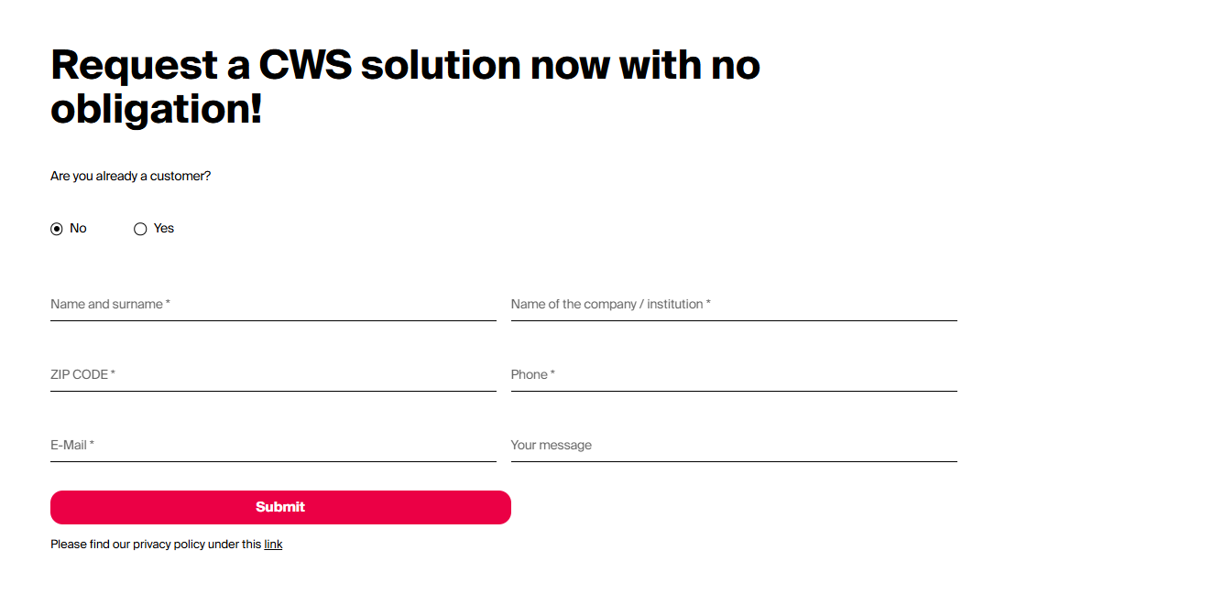 | - Form Action: https://pink.cws.com/pink.php - Method: POST - Client Validation: jQuery + HTML5 (data-msg-required, regex patterns) - Form Layout: 2-column grid (left & right fieldsets) - Auto-hide fields: main_address (anti-bot) hidden by CSS - Custom Modal Messages: “Thank you” & “Error” popups - Language: English - Tracking: GA Client ID, GCLID, FBCLID included for analytics Component Summary Description Request a CWS Solution Form is a two-column contact form component used to collect lead information from new or existing customers. It dynamically validates required fields and includes hidden inputs for Salesforce integration and marketing analytics tracking. After submission, it displays a modal popup indicating success or failure. 🎨 UI Overview Title: “Request a CWS solution now with no obligation!” (Bold, large black text) Subheading / Question: “Are you already a customer?” with two radio options: ⭕ No (default) ⚪ Yes Layout: Two-column responsive grid Left side: name, company, ZIP, phone Right side: email, message Submit Button: Label: Submit Background: #EB0045 (CWS Pink) Text: White, bold Rounded corners Privacy Note: Small font, with “link” underlined and pointing to privacy policy ⚙️ Technical Behavior Property Details Form ID webform-submission-kontakt-small-reduced-paragraph-17923-add-form Form Action https://pink.cws.com/pink.php Form Method POST Validation Type HTML5 + jQuery (pattern, maxlength, required) Customer Fieldset Radio group (is_customer) Left Fieldset ID edit-left Right Fieldset ID edit-right Hidden Fieldset ID edit-hidden-fields Hidden Inputs oid, url, division, campaign, lead_source, gclid, etc. Submit Button ID edit-actions-submit Submit Button Class button-bottom-red button button--primary Success Modal Displays “Thank You!” + “Thank you very much for contacting us.” Error Modal Displays “Sorry, something went wrong.” Anti-Bot Field main_address (hidden, must remain empty) Tracking Integration Google Analytics + Fac
Request a Quote | https://www.cws.com/en/workwear/produkte/acode-heavy-t-shirt-1917-hsj-dam | contact-us-pop-form-1 | .webform-submission-product-request-form | 1. Title – Single-Line Text → “Request a quote”; multilingual heading. 2. First Name – Single-Line Text → Required; validation: max length 255. 3. Last Name – Single-Line Text → Required; validation: max length 255. 4. Company – Single-Line Text → Optional; max length 255. 5. E-mail Address – Single-Line Text → Required; Regex: ^[\\w\\.-]+@[\\w\\.-]+\\.[a-zA-Z]{2,}$. 6. Phone Number – Telephone → Required; Regex: ^\\+?[0-9\\s-]{7,15}$. 7. Street – Single-Line Text → Optional. 8. ZIP – Single-Line Text → Required; Regex: ^\\d{4,10}$. 9. City – Single-Line Text → Optional. 10. Message (Description) – Multi-Line Text → Optional; max length 250. 11. Privacy Policy Text – Rich Text / Link → “Please find our privacy policy under this link”; localized link to /en/privacy-policy. 12. Submit Button – Button → Label: “Send”; triggers POST submission. 13. Hidden Fields – (Technical) e.g., url, referrer, productid, productname, division, form_type, etc. – auto-populated at runtime. 14. Success Message – Static Text → “Thank you very much for contacting us.” 15. Error Message – Static Text → “Sorry, something went wrong.” |  | - The form is multilingual and driven by Drupal Webform configuration (can be replicated as Sitecore Form with similar field mappings). - Includes client-side validation and Google Tag Manager event tracking. - Hidden fields dynamically capture metadata such as product name, division, and referrer URL. - Appears as a modal popup (role="dialog") when triggered from product detail pages

